Graphs
Euroclear UK & International settlement monitoring

 | The data contained in this file is an extract from the CREST system operated by Euroclear UK & International.

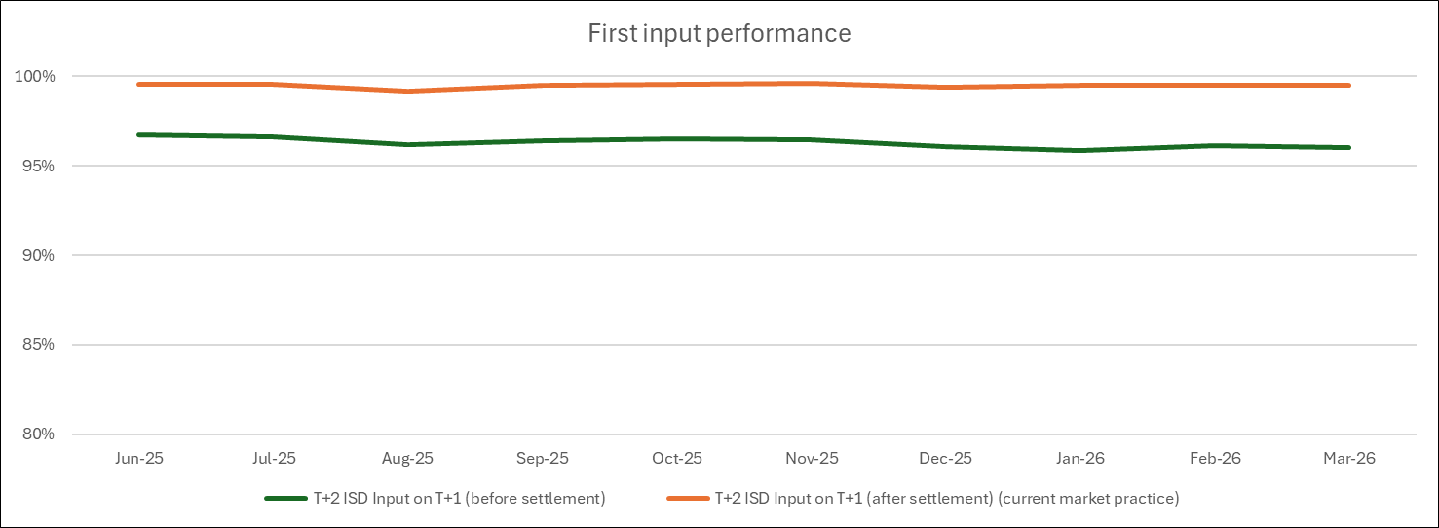 |  | First Input Performance - for transactions with an intended settlement date of T+2 • The green line shows the percentage of inputs received first (for a matched transaction) that were entered before settlement started on T+1 • The orange line shows the percentage of inputs received first (for a matched transaction) that were entered by close of business on T+1 (current market practice) • As can be seen there is a gap (approx 3%) between the current market practice and future market practice

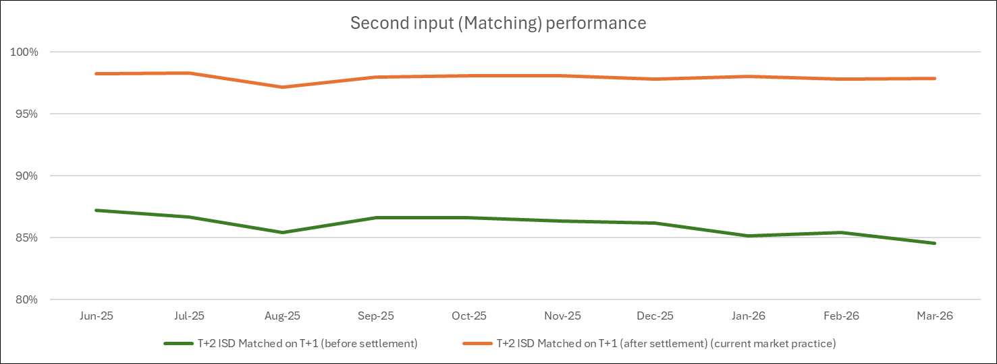 |  | Second Input (Matching) Performance - for transactions with an intended settlement date of T+2 • The green line shows the percentage of second inputs for a matched transaction that were entered before settlement started on T+1 that resulted in a match • The orange line equates to the percentage of second inputs for a transaction that were entered by close of business on T+1 (current market practice) that resulted in a match • As can be seen there is a larger gap (approx 12%) between current market practice and future market practice

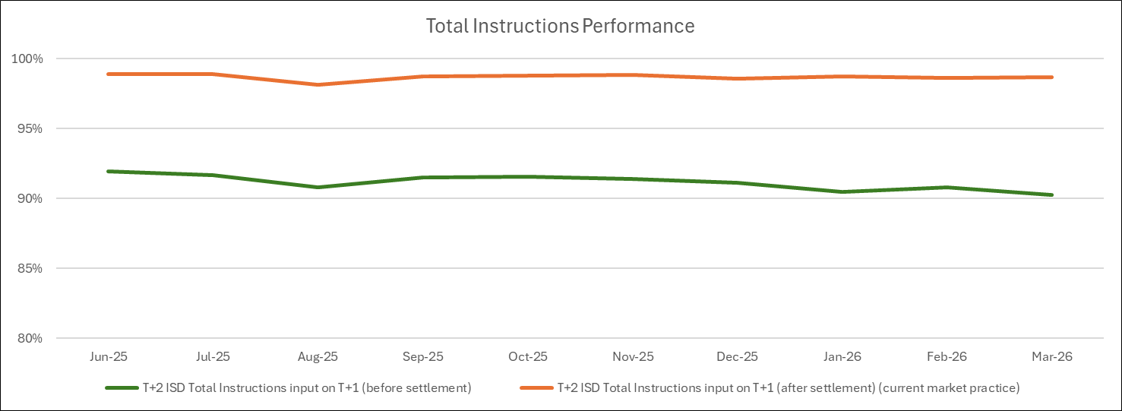 |  | Total Instructions Performance - for transactions with an intended settlement date of T+2 • The green line shows the percentage of all instructions for matched transactions that were entered before settlement on T+1 regardless of whether they were the first or second (matching) input. • The orange line shows the percentage of all instructions for matched transactions that were entered by close of business on T+1 (current market practice) regardless of whether they were first or second (matching) input • As can be seen there is a gap (approx 8%) between current market practice and future market practice

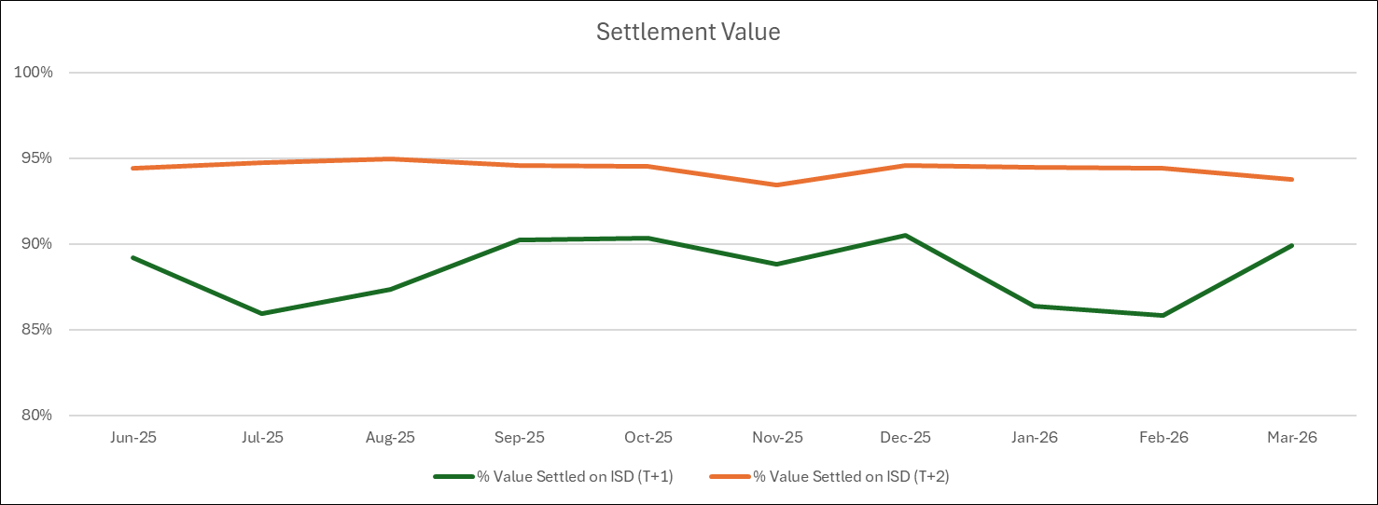 |  | Settlement Value The green line equates to the percentage of settlement (by value) that were entered for and settled on T+1 The orange line equates to the percentage of settlement (by value) that were entered for and settled on T+2 (current market practice) As can be seen there is a gap (approx 6%) between the settlement performance of T+1 transactions and the performance of T+2 transactions

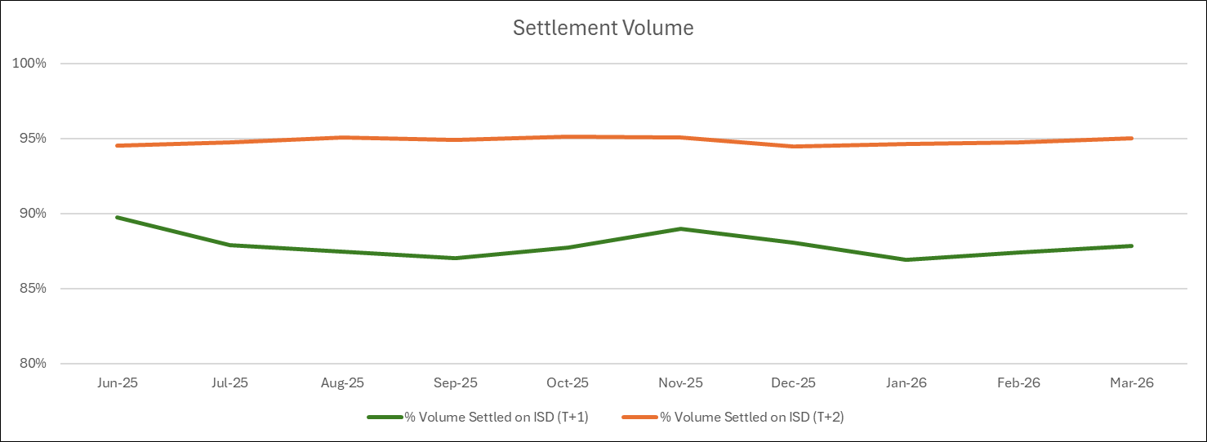 |  | Settlement Volume This green line equates to the percentage of settlement (by volume) that were entered for and settled on T+1 The orange line equates to the percentage of settlement (by volume) that were entered for and settled on T+2 (current market practice) As can be seen there is a gap (approx 6%) between the settlement performance of T+1 transactions and the performance of T+2 transactions

